Wrestling
South Carolina High School League
PO Box 211575
Columbia, SC 29221-6575
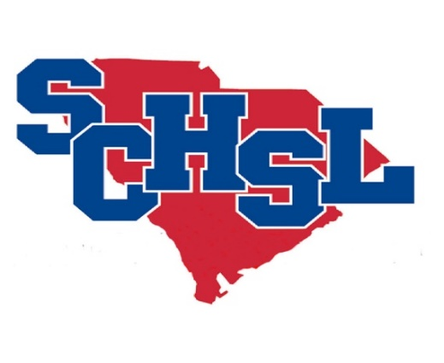
Invoice # WR2021

State Individual Wrestling Invoice

School Name

One time entry fee.

$25 per athlete or $100 team maximum.

# Partcipants |  | Amount
0 | Wrestlers | $0.00

 | Total Cost | $0.00
Make check payable to SCHSL.
Remit to League office by March 15, 2021

