Track
South Carolina High School League
PO Box 211575
Columbia, SC 29221-6575
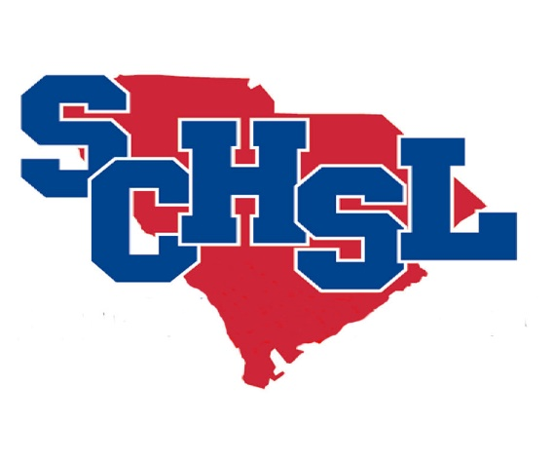
Invoice # TR2021

State Track & Field Invoice

School Name

One time entry fee.

$25 per athlete or $100 per team (4 or more athletes)

# Participants |  | Amount
0 | Girls | $0.00
0 | Boys | $0.00

 | Total Cost | $0.00
Make check payable to SCHSL.
Remit to League office by May 28, 2021

